entropia condicional
 | Customer ID | age | income | student | credit-rating | class:buy_computer
 | 1 | youth | high | no | fair | no
 | 2 | youth | high | no | excellent | no
 | 3 | middle-aged | high | no | fair | yes
 | 4 | senior | medium | no | fair | yes
 | 5 | senior | low | yes | fair | yes
 | 6 | senior | low | yes | excellent | no
 | 7 | middle-aged | low | yes | excellent | yes
 | 8 | youth | medium | no | fair | no
 | 9 | youth | low | yes | fair | yes
 | 10 | senior | medium | yes | fair | yes
 | 11 | youth | medium | yes | excellent | yes
 | 12 | middle-aged | medium | no | excellent | yes
 | 13 | middle-aged | high | yes | fair | yes
 | 14 | senior | medium | no | excellent | no

 | Cual es la Entropía de buy_computer dado el valor de student?
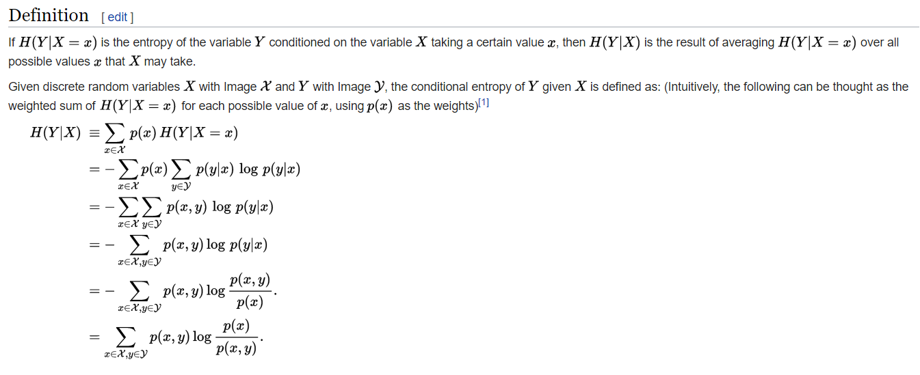

 | Sabemos que Student tiene dos valores

Caso 1: si student=no |  |  |  |  | Caso 2: si student=yes

Customer ID | student | class:buy_computer |  |  | Customer ID | student | class:buy_computer
1 | no | no |  |  | 5 | yes | yes
2 | no | no |  |  | 6 | yes | no
3 | no | yes |  |  | 7 | yes | yes
4 | no | yes |  |  | 9 | yes | yes
8 | no | no |  |  | 10 | yes | yes
12 | no | yes |  |  | 11 | yes | yes
14 | no | no |  |  | 13 | yes | yes

Distr de Prob de buy_computer Dado student=no |  |  |  |  | Distr de Prob de buy_computer Dado student=yes

Caso | Cuenta | Prob | log(Prob) |  | Caso | Cuenta | Prob | log(Prob)
yes | 3 | 43% | -1.22 |  | yes | 6 | 86% | -0.22
no | 4 | 57% | -0.81 |  | no | 1 | 14% | -2.81
Total | 7 | 100% |  |  | Total | 7 | 100%

 | Entropia de buy_computer dado student=no |  | 0.99 |  |  | Entropia de buy_computer dado student=yes |  | 0.59
 |  | H(buy_computer|student=no) |  |  |  |  | H(buy_computer|student=no)

 |  |  |  |  | ponderador | entropia
 |  |  |  | caso student=no | 0.5 | 0.99
 |  |  |  | caso student=yes | 0.5 | 0.59
 |  |  | Entropia condicional buy_computer dado student |  |  | 0.79
 |  |  |  |  | H(buy_computer|student)

Distr Prob Conjunta student y buy_computer

Caso | student | buy_computer | Cuenta | Prob(x,y) | Prob(x) | Prob(x)/Prob(x,y) | log[Prob(x)/Prob(x,y)]
Student=no y buy_computer=no | no | no | 4 | 29% | 50.00% | 1.75 | 0.81
Student=yes y buy_computer=no | yes | no | 1 | 7% | 50.00% | 7.00 | 2.81
Student=no y buy_computer=yes | no | yes | 3 | 21% | 50.00% | 2.33 | 1.22
Student=yes y buy_computer=yes | yes | yes | 6 | 43% | 50.00% | 1.17 | 0.22
 |  |  | 14

 |  |  |  | Entropia condicional buy_computer dado student |  |  | 0.79
 |  |  |  |  |  | H(buy_computer|student)

